Introduction
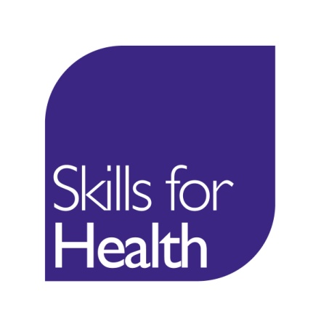 Alignment to the Core Skills Training Framework Readiness Assessment Tool

Suggested methodology for completing the Readiness Assessment to understand your organisation's current position in adopting and implementing the Core Skills Training Framework.

Step 1: | Identify the appropriate person to undertake and complete the assessment on behalf of your organisaton e.g. an accountable person within the organisation responsible for learning and development (this may be a programme lead in a university or college).
Step 2: | Consider whether the readiness assessment is relevant and can be applied to all statutory/mandatory training in your organisation, or whether a separate readiness assessment may be required for different departments.
Step 3: | To ensure momentum agree a date for completing the readiness assessment Planned Completion Date (Insert Date).
Step 4: | To help you answer question 5 related to content mapping, please use the Content Mapping Tool.
Further Information: | https://www.skillsforhealth.org.uk/cstf-england

Assessment
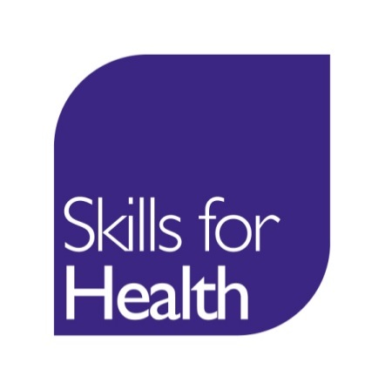 Core Skills Training Framework Organisational Readiness Assessment

Name of Organisation:

Name of Person completing form:
Your role:
Contact details (email / tel no):

Name of Organisational Lead for the Core Skills Training Frameworks:
Contact details (email / tel no):

Required Check |  | Current Status Using the dropdown box please indicate the current position of implementation for the required check: A - Achieved IP - In Progress NYS - Not Yet Started |  | Actions to be taken Identify any specific actions you need to take to achieve the required check |  | Clarification / Support Identify any notes or issues where you may need further assistance
1. Have you downloaded all the relevant Core Skills Framework Guidance and Resources? (Available at: https://www.skillsforhealth.org.uk/cstf-england )
2. Has the Board or necessary organisational agreement been obtained for use and integration of the framework/s as part of internal training/education requirements?
3. If relevant, have any local training policies been checked and updated to include reference to the CSTF?
4.Have any relevant internal leads and risk management services been informed about the use and application of the relevant framework and any potential implications identified?
5. Have the relevant subject matter experts been advised and supported to include the framework outcomes and standards as part of local training/education delivery?
6. Have you mapped the learning outcomes of the Framework with your local delivery? (Use the Skills for Health Content Mapping tool to support this).
7. Have the local names used for identifying and recording statutory/mandatory training been either changed or mapped appropriately to the naming conventions used in the framework?
8. Has the organisation given a commitment to recognise training from other healthcare and education organisations which are using the CSTF and where the required quality and audit mechanisms are in place?
9. Has the organisation reviewed and adapted its monitoring and reporting processes for ensuring refresher training is scheduled for any indicated refresher periods?

Using the following confidence scale how confident are you that the programmes you have indicated for your organisation will be able to fully align with the requirements of the Skills for Health Core Skills Training Framework by (insert Date)
 | Very Confident |  | Confident |  | Unsure |  | Not Confident

Is there anything else that could help you in implementing the Core Skills Training Framework?

